1
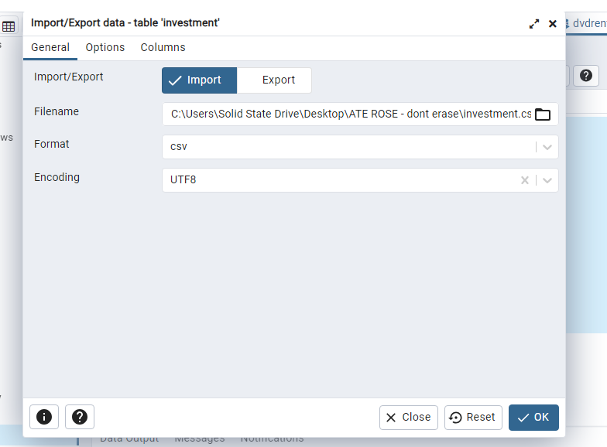

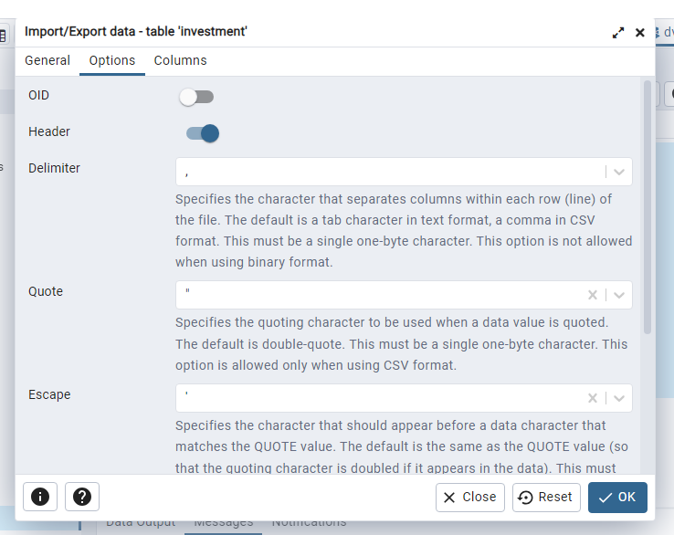

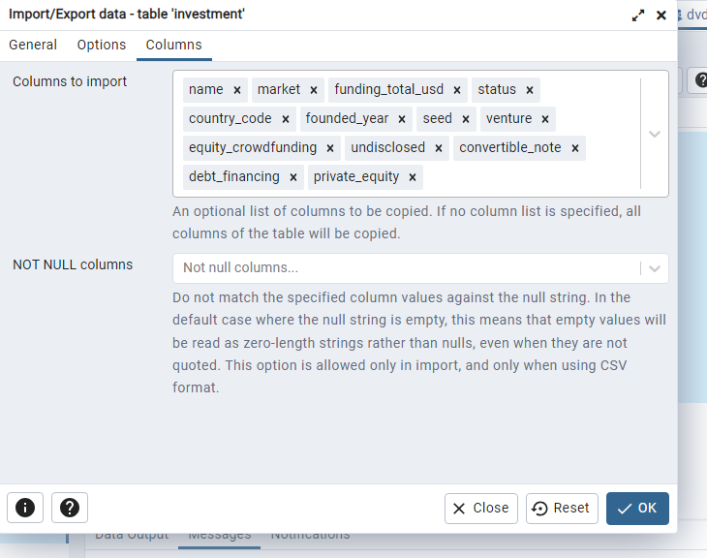

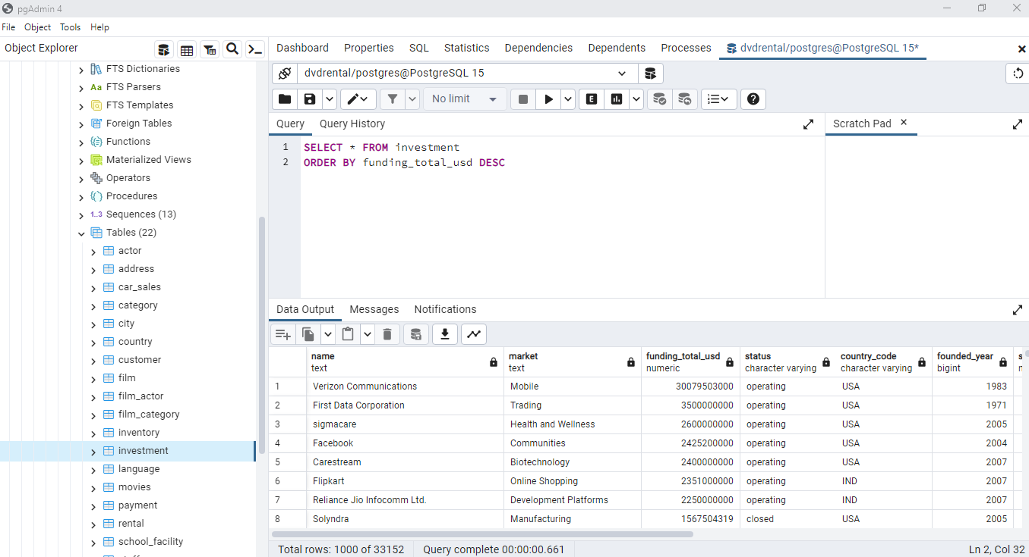

2
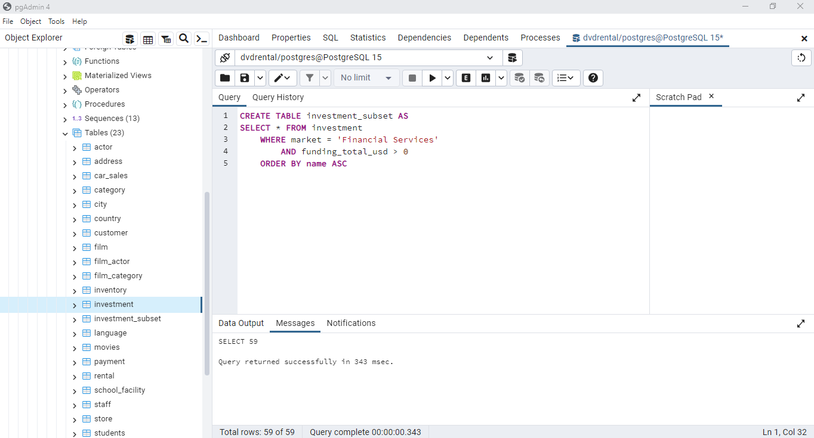

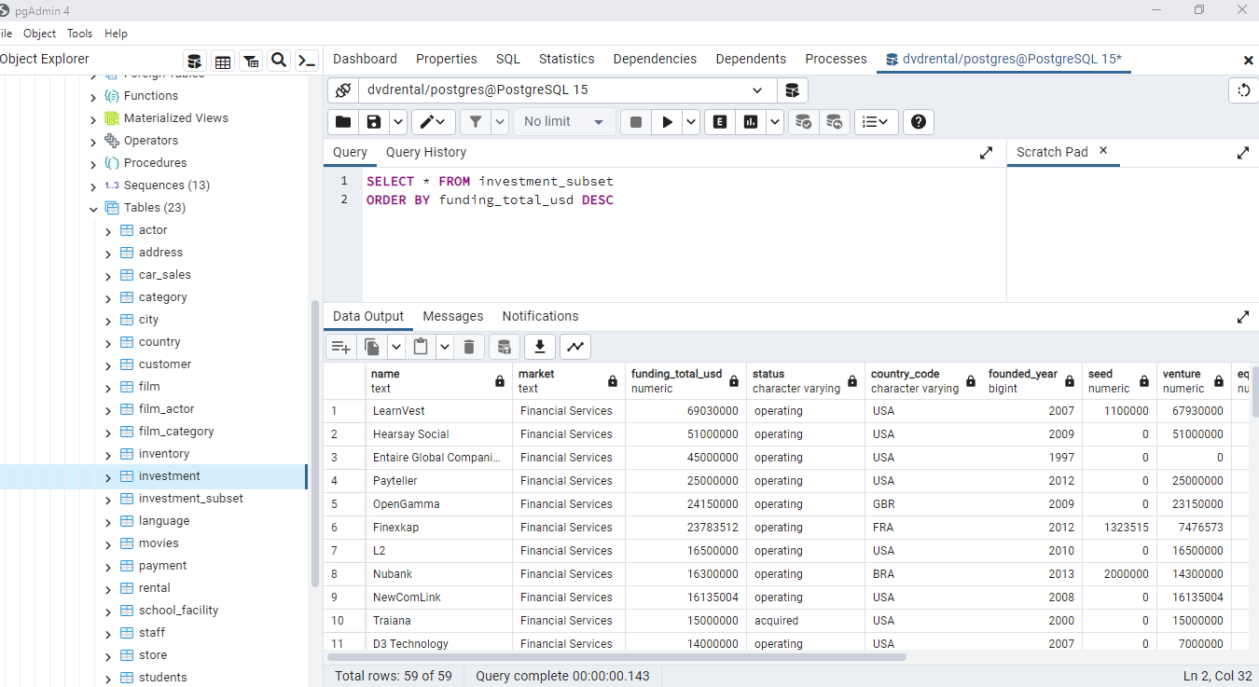

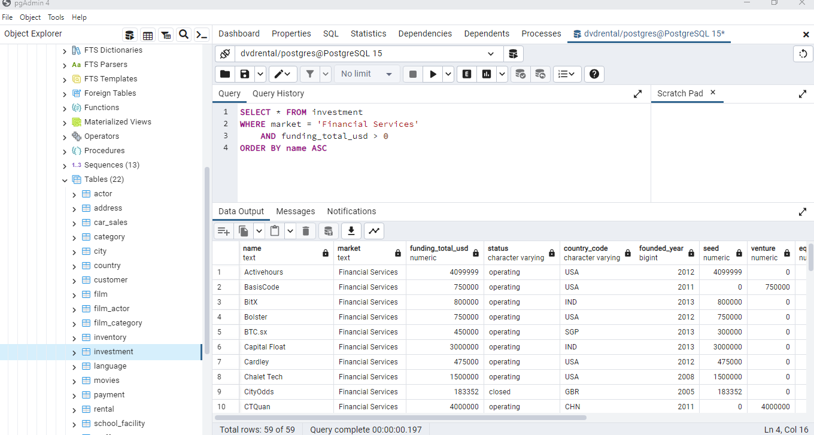

3
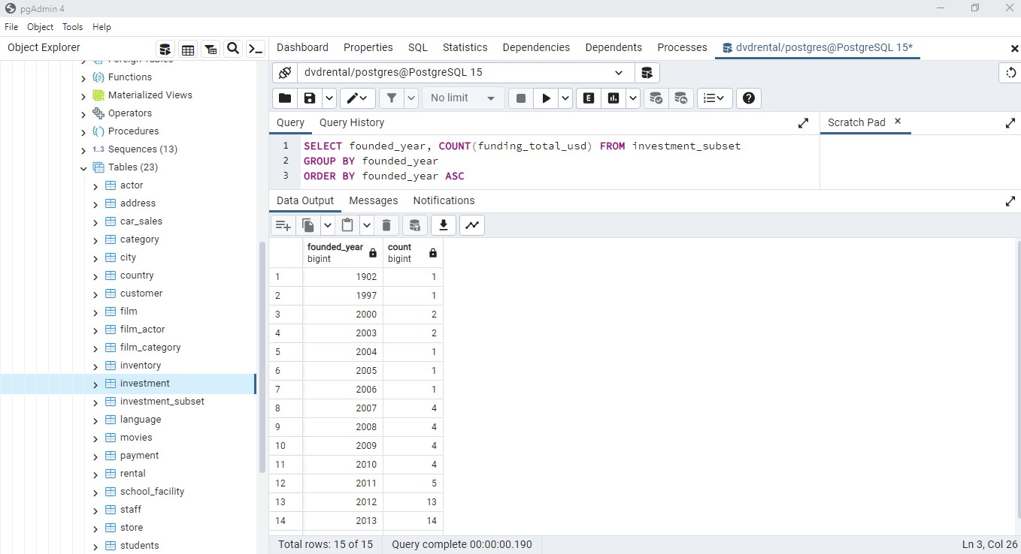

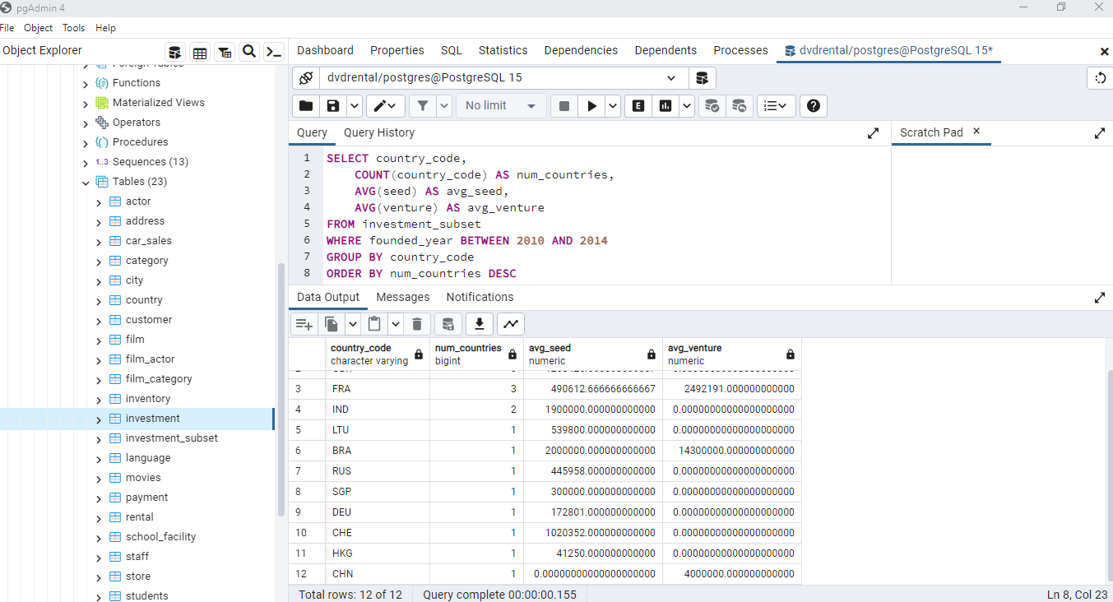

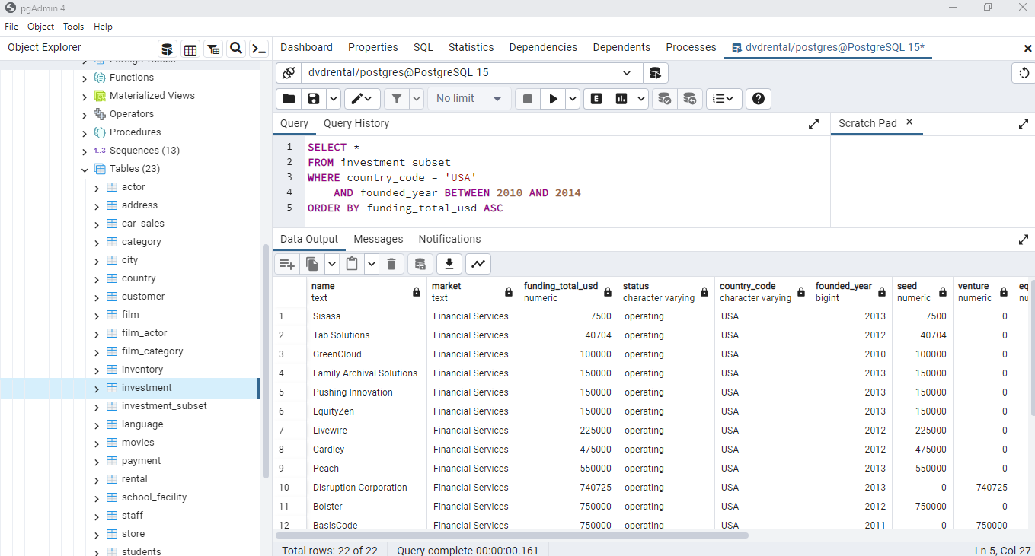

4
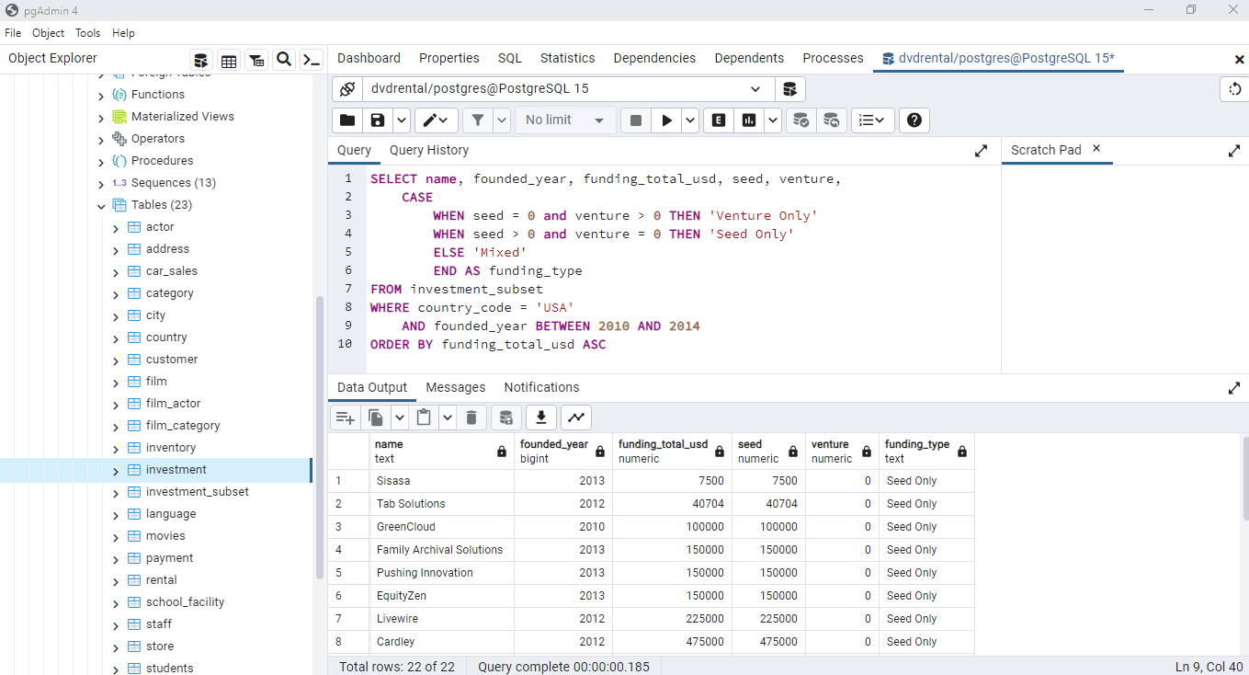

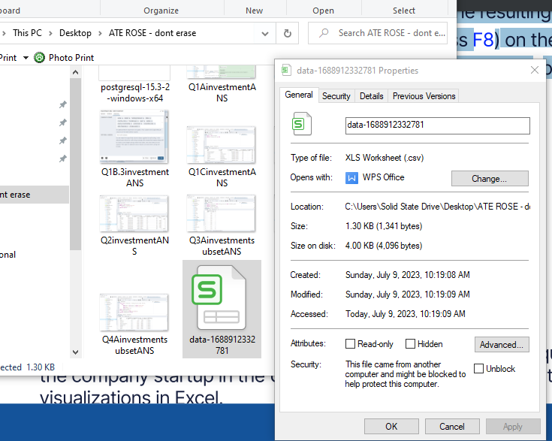

5. Pivot Tables and Charts
5.A. Create a pie chart that shows the count of companies per funding type:
Distribution of US Companies on Financial Services Sector and their Funding Types

 | Funding Type | Total
 | Seed Only | 14
 | Venture Only | 5
 | Mixed | 3
 | Grand Total | 22

5. B. Create a column chart or a bar chart that shows the funding between companies by funding type:

Comparison of Funding between US Financial Services Companies
 | Company Name | Total Funding
 | Mixed | $13,213,564.00
 | MoneyFarm | $5,613,564.00
 | Pocket Change | $6,400,000.00
 | Upside | $1,200,000.00
 | Seed Only | $17,098,203.00
 | Activehours | $4,099,999.00
 | Bolster | $750,000.00
 | Cardley | $475,000.00
 | EquityZen | $150,000.00
 | Family Archival Solutions | $150,000.00
 | FlexScore | $4,000,000.00
 | GreenCloud | $100,000.00
 | Harvest Exchange | $4,400,000.00
 | Livewire | $225,000.00
 | Peach | $550,000.00
 | Pushing Innovation | $150,000.00
 | Sisasa | $7,500.00
 | Sliced Investing | $2,000,000.00
 | Tab Solutions | $40,704.00
 | Venture Only | $44,490,725.00
 | BasisCode | $750,000.00
 | Disruption Corporation | $740,725.00
 | L2 | $16,500,000.00
 | Payteller | $25,000,000.00
 | Portfolia | $1,500,000.00
 | Grand Total | $74,802,492.00

US Financial Services Companies Grouped By Year Founded (2010 - 2014) and Funding Types
 | Venture Only | Seed Only | Mixed
2010 | 1 | 1
2011 | 1 |  | 2
2012 | 2 | 7
2013 | 1 | 5 | 1
2014 |  | 1
 | US Financial Services Sector | Funding Type
 | Year Founded | Venture Only | Seed Only | Mixed
 | 2010 | 1 | 1
 | 2011 | 1 |  | 2
 | 2012 | 2 | 7
 | 2013 | 1 | 5 | 1
 | 2014 |  | 1
 | Grand Total | 5 | 14 | 3

